Calcolo check digit 1
 |  | n. cifra | N1 | N2 | N3 | N4 | N5 | N6 | N7 | N8 | N9 | N10 | N11 | N12 | N13 | N14
 |  | peso | 3 | 1 | 3 | 1 | 3 | 1 | 3 | 1 | 3 | 1 | 3 | 1 | 3
 |  | GTIN-14 | 0 | 2 | 9 | 9 | 0 | 0 | 0 | 4 | 0 | 0 | 6 | 4 | 6 | 8
 |  | indice posiz. | 0 | 1 | 2 | 3 | 4 | 5 | 6 | 7 | 8 | 9 | 10 | 11 | 12
 |  | punteggio | 0 | 2 | 27 | 9 | 0 | 0 | 0 | 4 | 0 | 0 | 18 | 4 | 18
lunghezza stringa | 12
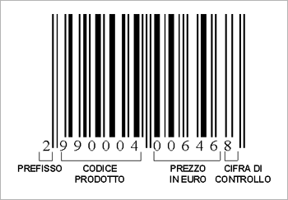
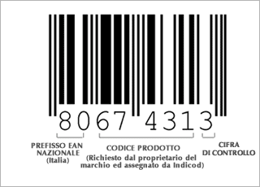
somma | 82
multiplo 10 | 90
299000400646 | 8
02990004006468 | GTIN-14
2990004006468 | GTIN-13

Calcolo EPC code
 |  |  | N1 | N2 | N3 | N4 | N5 | N6 | N7 | N8 | N9 | N10 | N11 | N12 | N13 | N14
 |  |  | 3 | 1 | 3 | 1 | 3 | 1 | 3 | 1 | 3 | 1 | 3 | 1 | 3
GTIN-14 | 08032089000017 |  | 0 | 8 | 0 | 3 | 2 | 0 | 8 | 9 | 0 | 0 | 0 | 0 | 1 | 7
 |  |  | 0 | 1 | 2 | 3 | 4 | 5 | 6 | 7 | 8 | 9 | 10 | 11 | 12
 |  |  | 0 | 8 | 0 | 3 | 6 | 0 | 24 | 9 | 0 | 0 | 0 | 0 | 3
lunghezza codice inserito | 12
somma | 53
multiplo 10 | 60
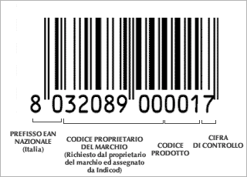
803208900001 | 7
INSERIRE QUI CODICE SENZA ULTIMA CIFRA
seriale | 581987 |  |  |  |  | Partition | cifre company | bit | cifre item | bit |  | Filter
partition | 3 |  |  |  |  | 0 | 12 | 40 | 1 | 4 |  | 0 | uso generico
filter | 1 |  |  |  |  | 1 | 11 | 37 | 2 | 7 |  | 1 | item
company prefix | 803208900 |  |  |  |  | 2 | 10 | 34 | 3 | 10 |  | 2 | colli
item reference | 0001 |  |  |  |  | 3 | 9 | 30 | 4 | 14 |  | 3 | pallet
 |  |  |  |  |  | 4 | 8 | 27 | 5 | 17
 |  |  |  |  |  | 5 | 7 | 24 | 6 | 20
 |  |  |  |  |  | 6 | 6 | 20 | 7 | 24
SGTIN-96:1.803208900.0001.581987

Header | 00110000
Filter | 001
Partition | 011
Company | 101111110111111111111011000100
Item | 00000000000001
Serial | 00000000000000000010001110000101100011
bit | 96
Tag binario | 001100000010111011111101111111111110110001000000000000000100000000000000000010001110000101100011

Tag esadecimale | 302EFDFFEC4000400008E163

Word1/1 | 00110000 | 30
Word1/2 | 00101110 | 2E
Word2/1 | 11111101 | FD
Word2/2 | 11111111 | FF
Word3/1 | 11101100 | EC
Word3/2 | 01000000 | 40
Word4/1 | 00000000 | 00
Word4/2 | 01000000 | 40
Word5/1 | 00000000 | 00
Word5/2 | 00001000 | 08
Word6/1 | 11100001 | E1
Word6/2 | 01100011 | 63

SGTIN slide 1
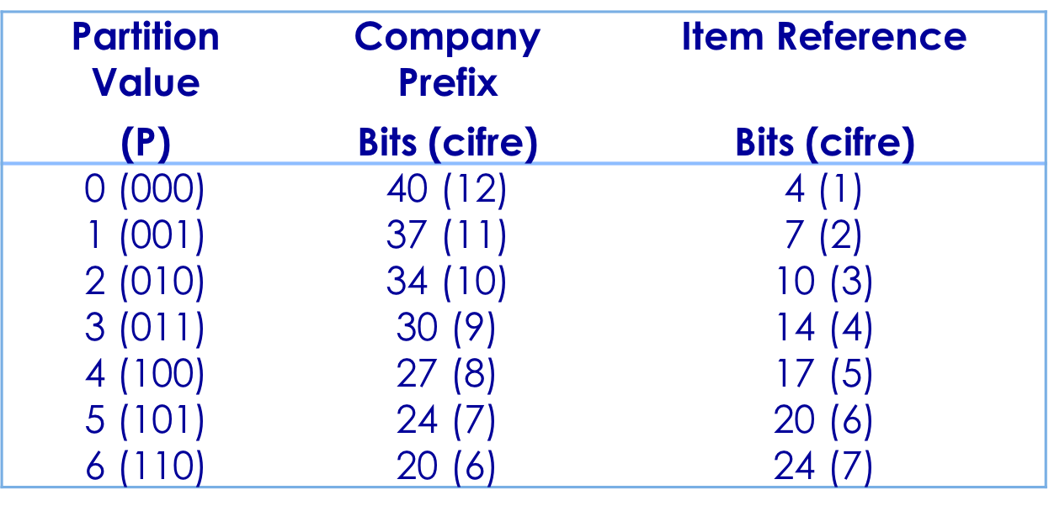
Tag Data Specification: SGTIN-96

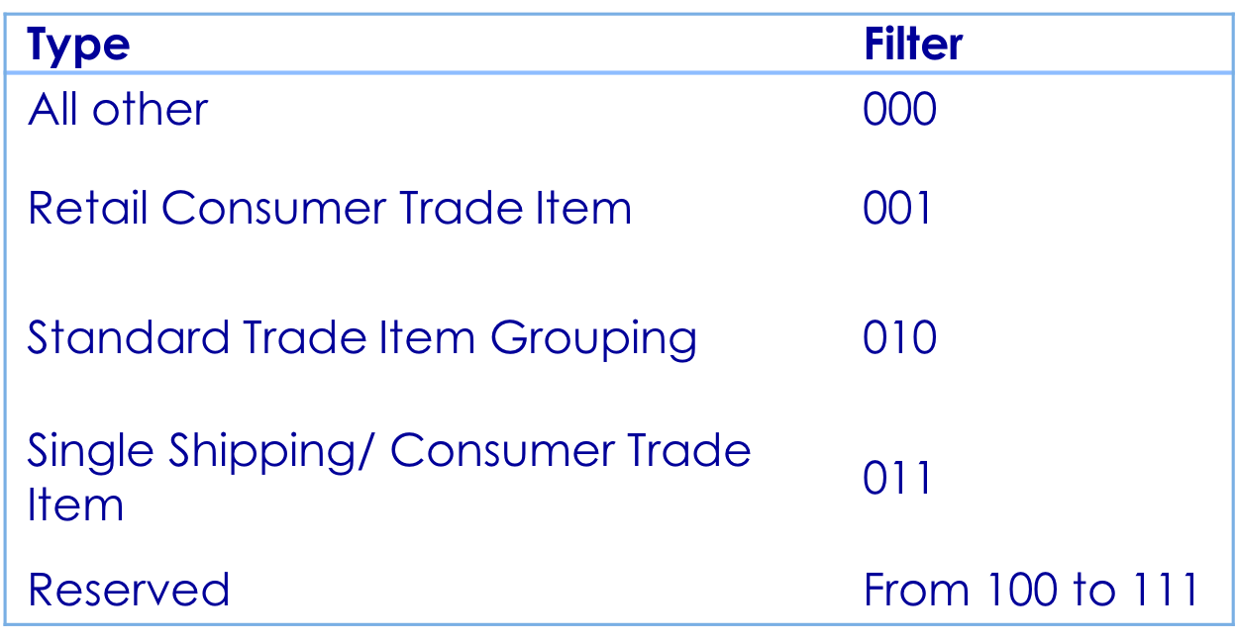

Header: 0011 0000.
Filter Value: is not part of the SGTIN pure identity, but is additional data that is used for fast filtering and pre-selection of basic logistics types.
Partition: is an indication of where the subsequent Company Prefix and Item Reference numbers are divided. This organization matches the structure in the EAN.UCC GTIN

SGTIN slide 2
Tag Data Specification: SGTIN-96

Company Prefix: contains a literal embedding of the EAN.UCC Company Prefix
Item Reference: contains a literal embedding of the GTIN Item Reference number. The Indicator Digit is combined with the Item Reference field in the following manner: Leading zeros on the item reference are significant.
Serial Number: serial number to be associated with a GTIN

EAN

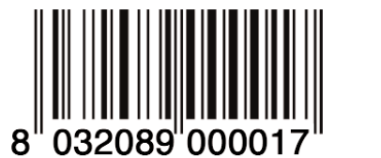

EAN-13
Information
system

EPC
96 Bit

